Introduction
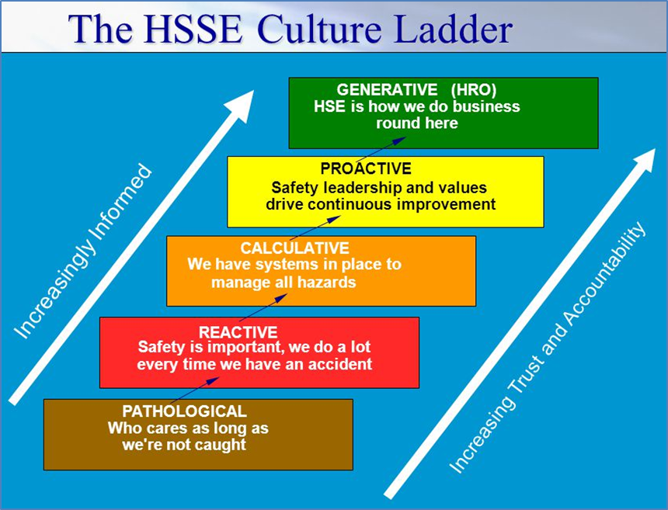
Guidance for use of this document - 'FRM Rose Plot'

Background
This active spreadsheet has been developed to help track and demonstrate progress with the implementation of Fatigue Risk Management at a Site / Business level. It is also based on what a 'successful' fatigue risk management program involves. There are ten sections presented, each requires a numerical response

In the Rose Plot
We are measuring the curent status of FRM on a site or BU using a scale of 0 to 4 (refer to the illustrated HSSE Culture Ladder) for each of the ten sections presented The higher the score, the higher the level of fatigue risk management being utilised on sites/BUs. Changes can be shown over time (suggest quarterly since actions really need time to be implemented properly). In the 'Opportunity Log' tab there are columns to record each Quarter's individual score (i.e. Q1, Q2, Q3 and Q4) for each of the ten sections covered within the spreadsheet. A perfect 'Rose Plot' would have scores of 4 against each of the ten items - indicating a GENERATIVE culture.

Scoring Each of the Ten Sections
Each of the 10 sections starts with a short explanation of why it is important to Fatigue Risk Management. Each section aligns with the commonly desired themes within Fatigue Risk Management Plans (FRMP) such as training, implementation, roles, incident investigations etc. Read each section and evaluate how well the leadership / site / asset / project has progressed on its Fatigue Risk Management program. Then select the description that best describes your current FRM status on a scale of 0 (Pathological) to 4 (Generative) within each of the section presented (refer to tab - 'Input- FRM' each section should be scored in blue box in column C). The overall result is shown as a 'Rose Plot' in the 'Output - FRM' tab.

How to Interpret the Results
Once you have finished all 10 sections, click on the 'Output-FRM' tab, which will show you in graphical form where you are performing well compared to 'best in class' and where there is still opportunity for improvement. This result should then be discussed and determine next steps and actions to be taken.

Output - FRM
Output Primary
1. Fatigue Risk Management Plan (FRMP) developed and implemented | 3 | 1
2. Fatigue Risk Management Training | 2
3. Fatigue is openly discussed in the workplace | 3
4. HSSE Critical positions identified for fatigue risk management | 2
5. Quality Sleep promoted and protected | 3
6. Working Hour Arrangements are assessed for fatigue | 1
7. Incident investigations include fatigue | 0
8. FRM Key Performance Indicators (KPIs) are documented, tracked and reported | 1
9. Roles and Responsibilities for FRM are known and applied | 1
10. Evidence that the FRMP is working on site | 1

